DMC Guide
DMC Data Acquisition and Entry Guide
Step 1: Familiarize yourself with the 5 contact points you will now be required to report on. | You are required to report on 5 contact points. If you are already collecting data on more than these 5, you may continue to do so for your own records and reports, but you will not be required to report these data to OJJDP.
 | 1. Arrest
 | 2. Diversion (Important note: includes all youth referred for legal processing but handled without the filing of formal charges, not necessarily only those youth who are enrolled in a diversion program, e.g., warn and release).
 | 3. Pretrial detention (includes post-disposition placement while awaiting final placement).
 | 4. Secure Confinement
 | 5. Transfer to adult Court
Step 2: Compare your local definitions with federal definitions (see "DMC Definitions" tab) | Your local definitions don’t have to match exactly, but differences need to be explained so that it’s clear what your calculations of each contact point are based on. The important thing is that you SHOW YOUR WORK. Example: Many local definitions of arrest only include apprehensions that result in referrals. They do not include contacts with or stops by police that do not results in referrals, though these types of police contacts are included in the federal definition of arrest.
Step 3: Acquire your population data | Population Data: Your county’s population data form the basis for the calculation you’ll make at each of the 5 contact points.
 | Where?
 | EZAPOP (Easy Access to Juvenile Populations): http://www.ojjdp.gov/ojstatbb/ezapop/
 | Click the “Population profiles” tab as shown in Exhibit 1.
 | Exhibit 1:

 | Select your state and county, then select “ethnicity” for the row variable and “race” for the column variable, as shown in Exhibit 2. This ensures that you will not be double counting some youth by including them in the Hispanic category and whichever racial category they are grouped in. When asked to self-identify, the majority of ethnically Hispanic/Latino persons will select “other” for race, indicating that they identify primarily with their ethnicity, rather than any racial group to which they might belong.
 | Exhibit 2.

 | Next, select the year and age range that you want to look at (see Exhibit 3). You’ll want to pick the year that corresponds to the year for which you have juvenile justice data available to you. Different data sets are updated at different intervals, so you may only be able to acquire juvenile justice data from as recently as 2015, whereas the population data are updated through 2017. In selecting the age range, you only want to include those youth who would be eligible to be referred to the juvenile justice system in your state. This will vary depending on the age of criminal responsibility in your state. For this example, the age range of 10 to 17 is selected.
 | Exhibit 3.
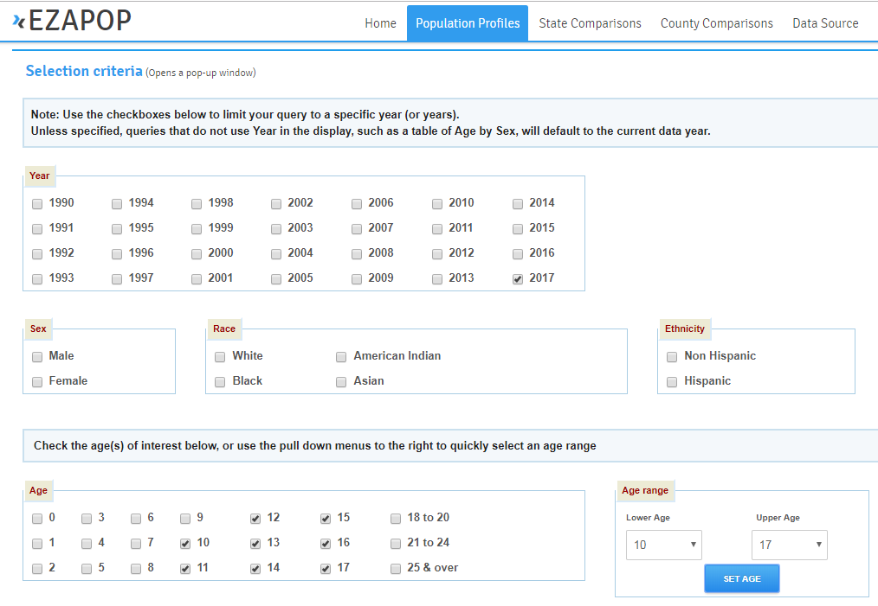

 | Once you have made your selections, click “show table”. See Exhibit 4 for an example table. You’ll use these numbers in the denominator when calculating the percentage of youth at each contact point.
 | Exhibit 4.
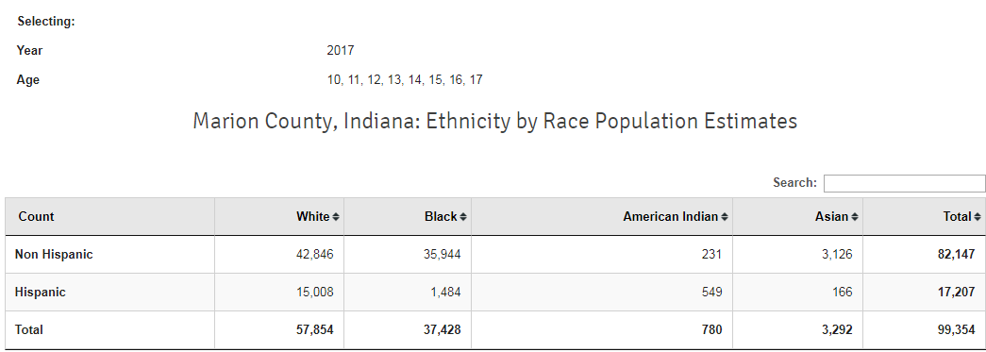

 | Note: if you do not collect information on ethnicity with your juvenile justice data, you’ll want to use the numbers for race that are in the row labeled “Total”.
Step 3(a): Enter your population data | In the cells directly below each race/ethnicity, enter the population data that you just pulled from EZAPOP. |  | White | Black | American Indian | Asian | Hispanic
 |  |  | 299,287 | 5,726 | 4,232 | 6,740 | 68,350

Step 4: Acquire your juvenile justice data | We encourage you to explore within your own jurisdiction how to find the data that meet your definition of each contact point. Some of you may have computer-based information management systems in place and should inquire with your vendor whether it is possible to create reports that will tell you how many juveniles interacted with the juvenile justice system at each contact point. If you are unable to include some youth due to insufficient data, explain why, and if possible, describe steps you are taking to ensure that you can procure those data in the future. Remember, the important things is that you SHOW YOUR WORK. Below we provide some suggestions for locating these data if you are not able to pull them from a single source, such as a computer-based information management system. In the case of Secure Confinement, we provide instructions for an alternative source, that should only be used as a last resort (the shortcomings of this method are explained in detail below).
 | Arrest
 | The juvenile probation departments in your jurisdiction will be the gatekeepers of this information. They should be tracking referrals that come into the department. If they are not already, you may need to work with them to ensure that they are tracking the necessary information on the race of each juvenile moving forward.
 | Diversion
 | If you know the total number of referred youth and the number of petitioned youth, you can calculate the number of diverted youth by subtracting the petitioned youth from the total referred youth, as this count includes all youth who were referred and for whom formal charges were not filed.
 | Pretrial Detention
 | You will need to work with the juvenile detention centers in your county/region/state to obtain counts of juveniles sent to detention.
 | Secure Confinement
 | For statewide reporting, counts of juveniles in residential placement by race can be found at OJJDP’s Easy Access to the Census of Juveniles in Residential Placement (https://www.ojjdp.gov/ojstatbb/ezacjrp/). It should be noted that the census provides only a snap shot of youth in residential placement on the day of the census and not the total number of youth who were placed in a given year. These numbers can still be used to identify DMC at this contact point. At the website, click the “US and State Profiles” tab (Exhibit 5). Select your state and the year you’re interested in. Then click “offense profile by race/ethnicity”. If you’re interested in breakdowns by age, you can instead select “age on census date by race/ethnicity”. The total for each race/ethnicity is what will be important for the calculations you’ll need to report on. Next, hit “view table”.
 | Exhibit 5.
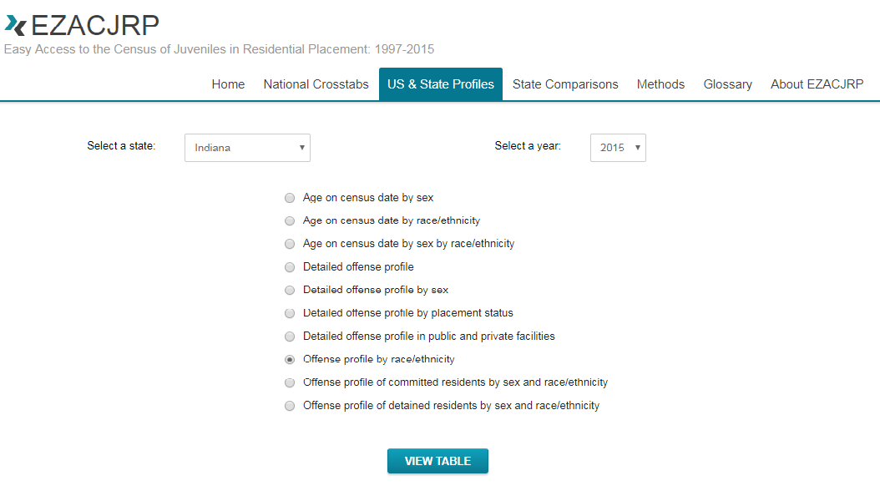

 | The top row, labeled “total,” will have the numbers that you need (Exhibit 6).
 | Exhibit 6.
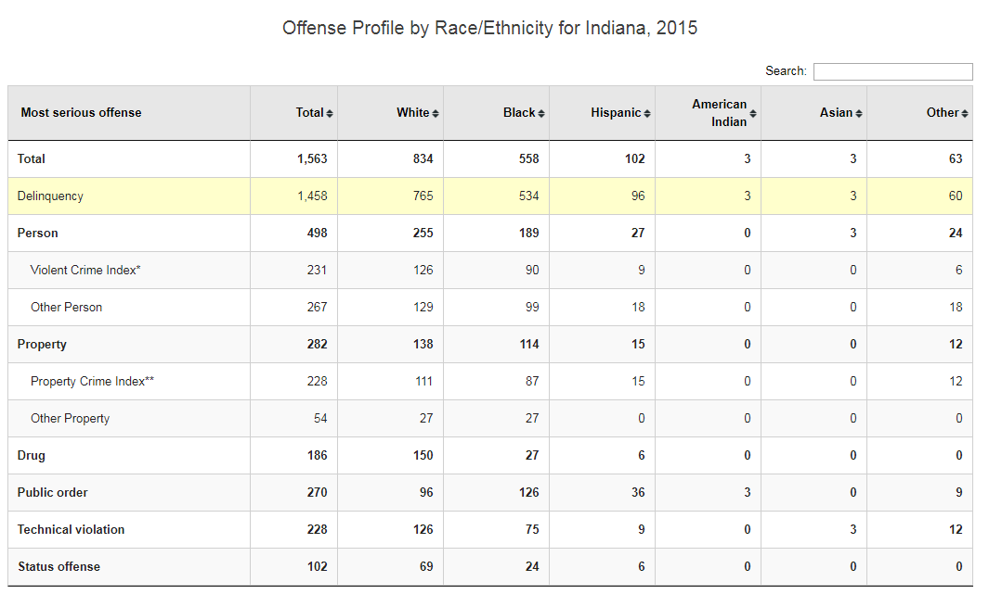

 | Transfer to Adult Court
 | Waiver to adult court should be well documented in juvenile records. You may need to work with the state court administrator in your state to submit a bulk data request to access these records.
Step 4(a): Enter your juvenile justice data | Once you have the numbers you’ll need to make the calculations, the difficult part is over. This step requires you to divide the number of youth at each contact point by their respective number in the population. If you've already entered your population data above, the percentages will automatically be calculated after you enter the juvenile justice data, here. Results will appear in the "DMC Data Table" tab. Make sure that your population and juvenile justice data match. If you have county level population data, you'll need county level juvneile justice data as well. Likewise, you'll need state level juvenile justice data, if you entered state level population data above.
 | To the right, in the cells directly below each race/ethnicity, enter the juvneile justice data that correspond to the contact point in each row. |  | White | Black | American Indian | Asian | Hispanic
 |  | Arrest | 9,454 | 721 | 259 | 352 | 2,881
 |  | Diversion | 4,053 | 178 | 81 | 59 | 1,354
 |  | Pretrial Detention | 1,832 | 237 | 148 | 21 | 1,031
 |  | Secure Confinement | 50 | 11 | 4 | 0 | 56
 |  | Transfer to Adult Court | 1 | 0 | 0 | 0 | 0

